Sheet1
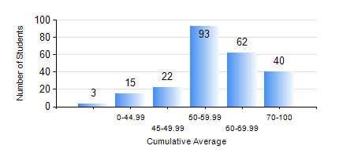
 |  |  | KWAME NKRUMAH UNIVERSITY OF SCIENCE AND TECHNOLOGY, KUMASI Department of Electrical/Electronic Engineering

 |  |  | BSC. ELECTRICAL/ELECTRONIC ENG.

 |  |  | COMPREHENSIVE RECORD OF EXAMINATION RESULTS

 |  |  | RESULTS OF YEAR 1 FIRST SEMESTER, 2019/2020 ACADEMIC YEAR

 | Sn | Course Code |  | Course Name | Credit Hours | Min. Mark | Max. Mark | Avg. Mark | Std. Dev. | No. Passed | No. Trailed | No. (Df) | No. (I) | No. (I*) | No. Tagged(I,I*,Df) | Total
 | 0. |  |  |  |  |  |  | 0 | 0 | 0 | 0 | 0 | 0 | 0 | 0 | 3
 | 1. | CE 155 |  | ENVIRONMENTAL STUDIES | 2 | 14 | 87 | 64 | 10.07 | 230 | 1 | 0 | 1 | 0 | 1 | 232
 | 2. | EE 151 |  | APPLIED ELECTRICITY | 3 | 13 | 92 | 52 | 18.83 | 183 | 48 | 0 | 1 | 0 | 1 | 232
 | 3. | EE 153 |  | ENGINEERING TECHNOLOGY | 2 | 38 | 93 | 69 | 9.87 | 229 | 2 | 0 | 1 | 0 | 1 | 232
 | 4. | ENGL 157 |  | COMMUNICATION SKILLS I | 2 | 34 | 80 | 58 | 9.24 | 227 | 3 | 0 | 2 | 0 | 2 | 232
 | 5. | MATH 151 |  | ALGEBRA | 4 | 29 | 97 | 67 | 12.08 | 230 | 1 | 0 | 1 | 0 | 1 | 232
 | 6. | ME 159 |  | TECHNICAL DRAWING | 2 | 19 | 89 | 54 | 12.44 | 224 | 7 | 0 | 1 | 0 | 1 | 232
 | 7. | ME 161 |  | BASIC MECHANICS | 3 | 20 | 85 | 52 | 12.75 | 210 | 21 | 0 | 1 | 0 | 1 | 232

